Sensitive buses
Sensitive bus data in the output county map |  |  |  |  |  |  |  |  |  | POI county
 |  |  |  |  |  |  |  |  |  | Counties inside the convex hull with sensitive buses
Transmission Buses |  |  |  | Generator Buses |  |  |  |  |  | Counties that have buses N-levels away from POI
Bus Number | Type | Bus kV | Load MW | Bus Number | Type | Bus kV | Gen MW | Summary
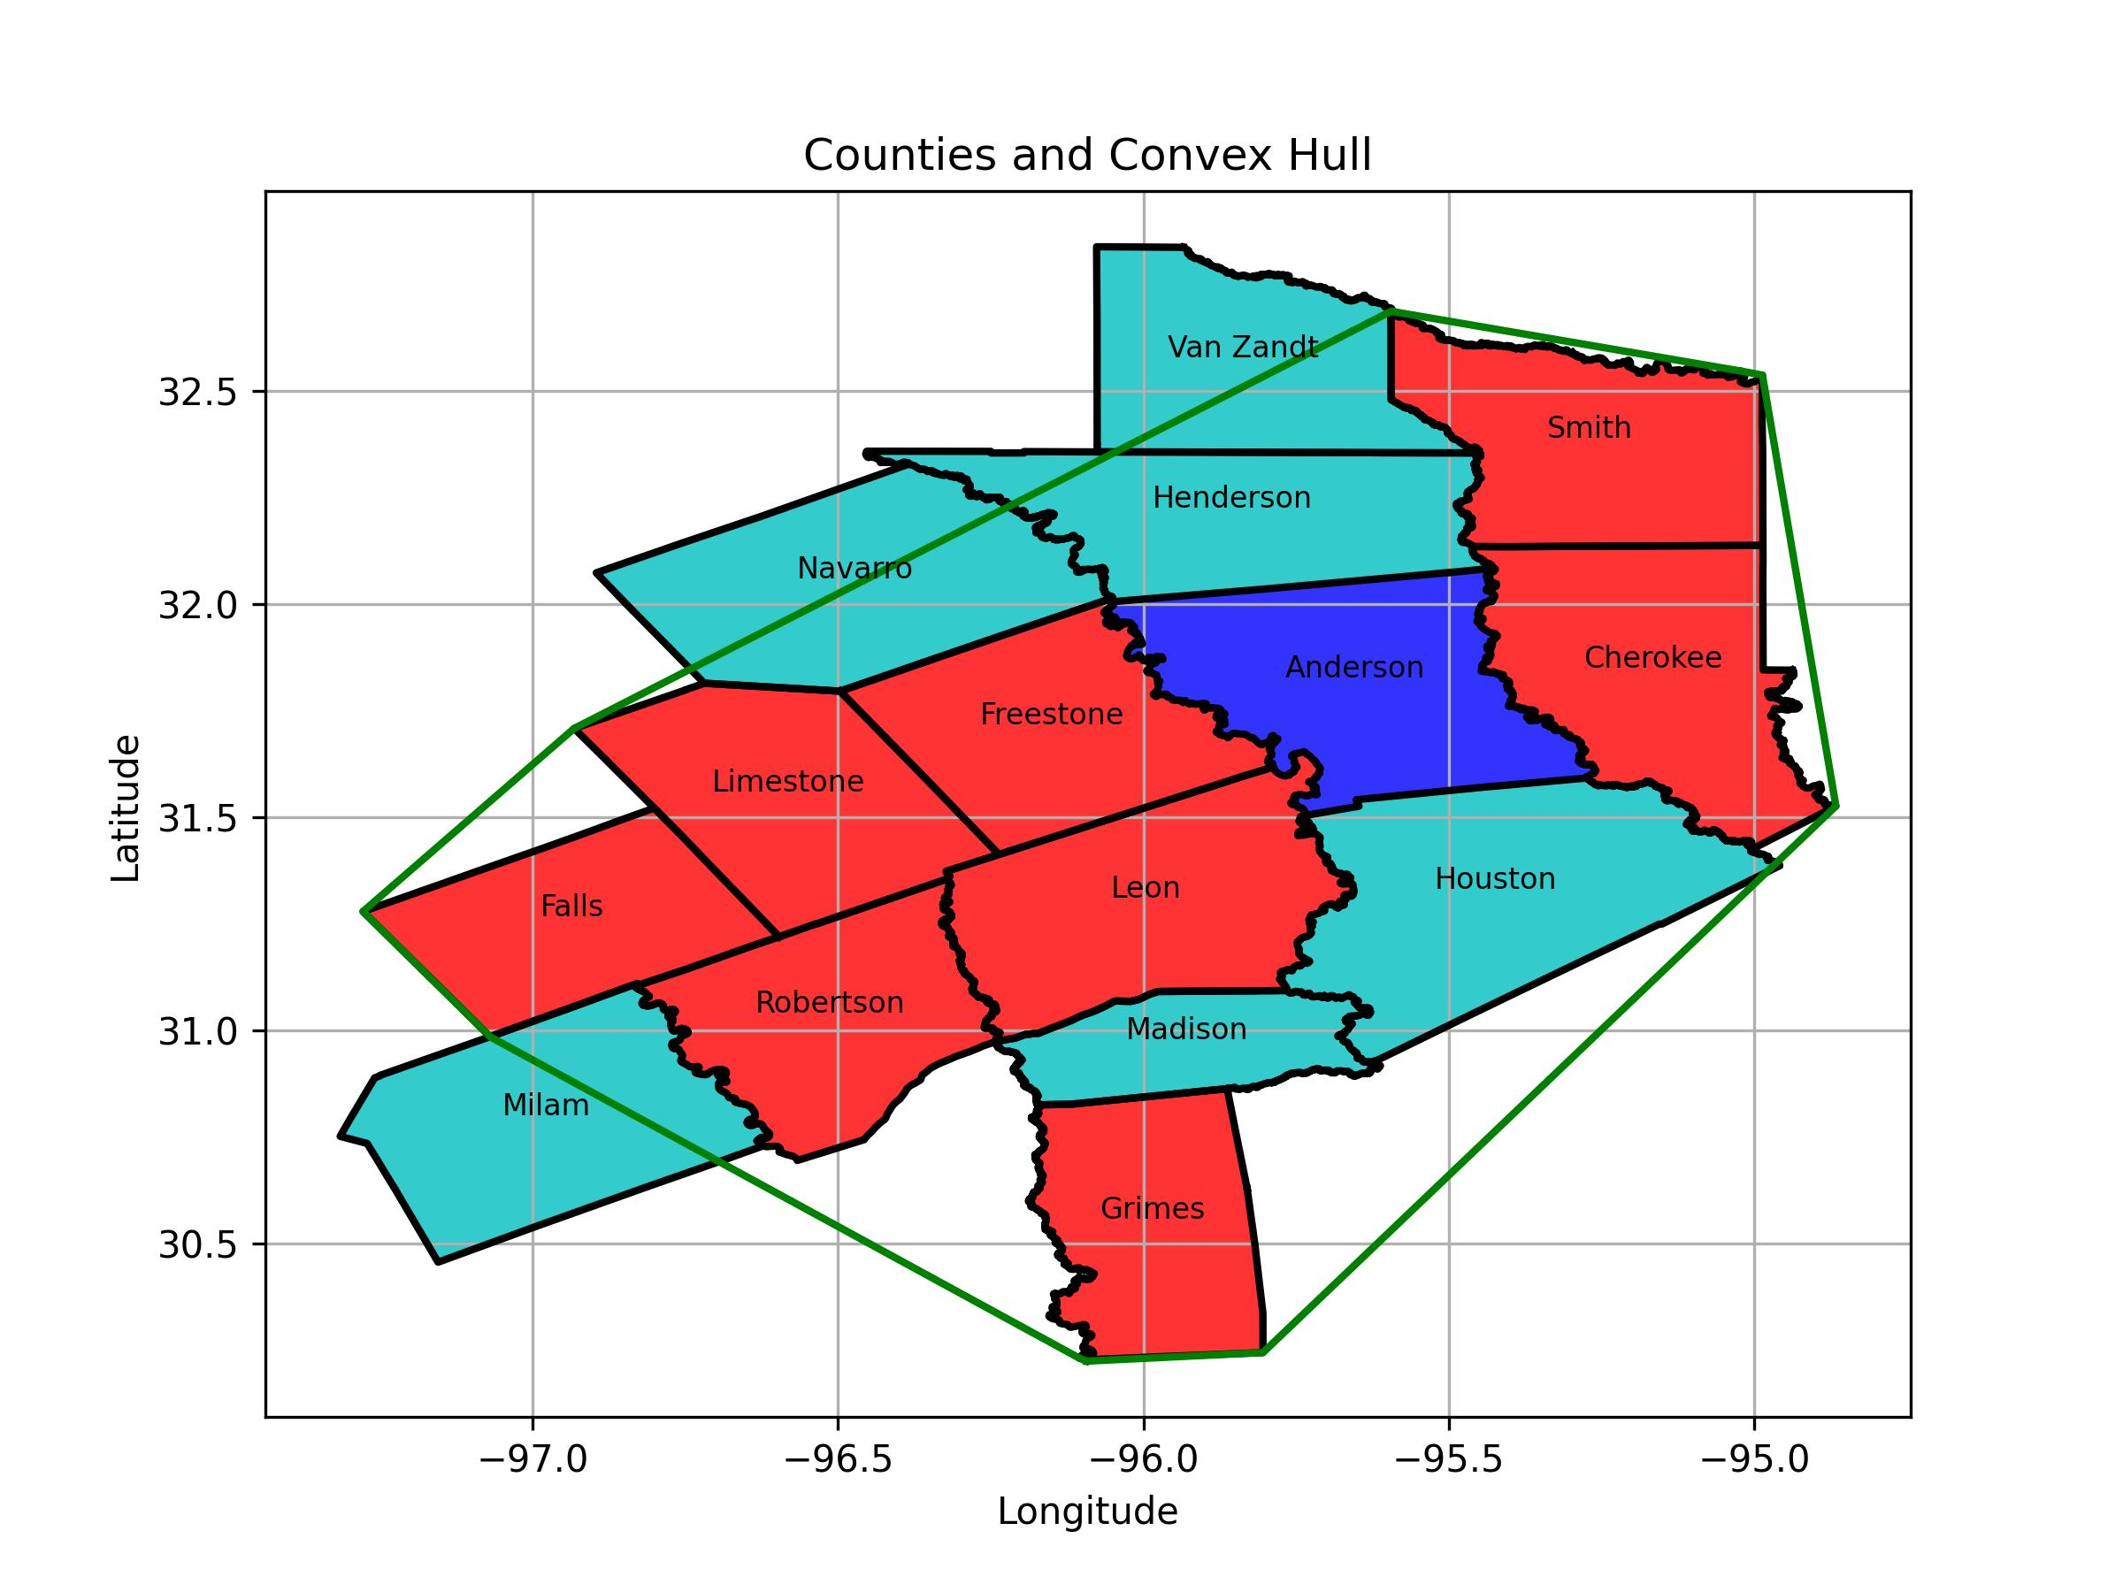
25 | 1 | 138 | 4.478000164 | 120071 | 2 | 18 | 150.04229736 | Total Generation "Capacity" (MW) | 2576.6932411
26 | 1 | 138 | 0 | 120072 | 2 | 18 | 150.04229736 | Total Load (MW) | 1749.7249817
27 | 1 | 138 | 4 | 120111 | 2 | 18 | 143.96835327 | Total Number of Transmission Buses | 239
3104 | 1 | 138 | 0 | 120112 | 2 | 18 | 143.96835327 | Total Number of Generation Buses | 18
33 | 1 | 138 | 0 | 120113 | 2 | 18 | 164.94177246 | Study County Name | Anderson
3106 | 1 | 138 | 0 | 120114 | 2 | 18 | 140.01763916 | POI | 6937
32 | 1 | 138 | 0 | 120115 | 2 | 18 | 140.01763916
34 | 1 | 138 | 6.5 | 120116 | 2 | 18 | 162.21662903 | List of Study Area Counties
35 | 1 | 138 | 0 | 120141 | 2 | 13.800000191 | 169.070755 | anderson
3110 | 1 | 138 | 0.91399997473 | 120142 | 2 | 19 | 487.29229736 | houston
3111 | 1 | 138 | 0 | 120151 | 2 | 22 | 228.05865479 | van zandt
36 | 1 | 69 | 0 | 120191 | 2 | 34.5 | 49.456996918 | falls
41 | 1 | 138 | 4.6370000839 | 120331 | 2 | 34.5 | 53.983020782 | madison
3114 | 1 | 138 | 0 | 120381 | 2 | 34.5 | 0 | henderson
37 | 1 | 138 | 1.5 | 996941 | 2 | 0.68999999762 | 180.67515564 | robertson
39 | 1 | 138 | 0 | 153191 | 2 | 34.5 | 75.073951721 | leon
43 | 1 | 69 | 0 | 153192 | 2 | 34.5 | 43.174343109 | limestone
45 | 1 | 138 | 8.6820001602 | 120691 | 2 | 34.5 | 94.693084717 | navarro
46 | 1 | 138 | 7.1899995804 |  |  |  |  | grimes
47 | 1 | 138 | 0 |  |  |  |  | freestone
48 | 1 | 69 | 10.029000282 |  |  |  |  | cherokee
3121 | 1 | 138 | 0 |  |  |  |  | milam
13354 | 1 | 138 | 0 |  |  |  |  | smith
53 | 1 | 69 | 3.7850000858
3126 | 1 | 69 | 4.5989999771
57 | 1 | 69 | 13.012999535
3131 | 1 | 138 | 0
3132 | 1 | 138 | 10.227999687
64 | 1 | 138 | 3.5380001068
3137 | 1 | 138 | 0
3139 | 1 | 138 | 36.979995728
3141 | 1 | 138 | 14.670999527
3143 | 1 | 138 | 0
3145 | 1 | 69 | 0
3146 | 1 | 69 | 13.062999725
75 | 1 | 69 | 0.36800000072
3147 | 1 | 138 | 0
3148 | 1 | 69 | 0
3149 | 1 | 69 | 4.6659998894
3150 | 1 | 69 | 0
3151 | 1 | 69 | 9.9279994965
3153 | 1 | 69 | 4.2199997902
3152 | 1 | 69 | 1.0369999409
3156 | 1 | 138 | 0
86 | 1 | 138 | 0
3160 | 1 | 138 | 4.6119999886
3161 | 1 | 69 | 0
3162 | 1 | 69 | 18.187000275
93 | 1 | 69 | 3.4440000057
104 | 1 | 138 | 12.961000443
3177 | 1 | 138 | 11.289000511
3179 | 1 | 138 | 11.456999779
3183 | 1 | 138 | 16.131999969
3196 | 1 | 138 | 24.051000595
3197 | 1 | 138 | 0
3200 | 1 | 69 | 0
3201 | 1 | 138 | 32.150997162
3202 | 1 | 138 | 13.815000534
3203 | 1 | 138 | 0
3204 | 1 | 138 | 9.1330003738
3205 | 1 | 138 | 17.559000015
3206 | 1 | 138 | 19.413999557
3207 | 1 | 138 | 19.8560009
3208 | 1 | 138 | 0
3209 | 1 | 138 | 13.930999756
3210 | 1 | 138 | 25.131999969
3211 | 1 | 138 | 62.109992981
3212 | 1 | 138 | 63.974998474
3213 | 1 | 138 | 59.464000702
3214 | 1 | 138 | 0
3218 | 1 | 138 | 42.715000153
3219 | 1 | 138 | 67.438995361
3220 | 1 | 138 | 0
3221 | 1 | 138 | 0
3222 | 1 | 138 | 33.041000366
3224 | 1 | 138 | 0
3225 | 1 | 138 | 13.87899971
3227 | 1 | 138 | 21.035999298
3228 | 1 | 138 | 0
3229 | 1 | 138 | 0
3236 | 1 | 138 | 9.5989999771
3237 | 1 | 138 | 4.646999836
3238 | 1 | 138 | 25.387001038
3239 | 1 | 138 | 0
3240 | 1 | 138 | 1.121999979
3241 | 1 | 69 | 0
3242 | 1 | 69 | 0
3243 | 1 | 69 | 6.9020004272
3244 | 1 | 69 | 6.1700000763
3245 | 1 | 69 | 23.383001328
3248 | 1 | 138 | 40.488998413
3249 | 1 | 69 | 0
3250 | 1 | 69 | 14.188999176
3251 | 1 | 138 | 39.774002075
3252 | 1 | 69 | 0
3253 | 1 | 138 | 0
3254 | 1 | 69 | 0
3255 | 1 | 69 | 8.8229999542
3256 | 1 | 69 | 3.0980000496
13501 | 1 | 138 | 0
195 | 1 | 69 | 5.0130000114
196 | 1 | 138 | 5.5669999123
197 | 1 | 138 | 0.3409999907
3270 | 1 | 69 | 0.97399997711
3271 | 1 | 138 | 34.948997498
3272 | 1 | 138 | 37.785999298
3273 | 1 | 69 | 0
3269 | 1 | 69 | 2.9449999332
3275 | 1 | 138 | 0
3277 | 1 | 138 | 0.50099998713
3278 | 1 | 138 | 0
3279 | 1 | 138 | 0
3280 | 1 | 138 | 9.4940004349
3281 | 1 | 138 | 11.923999786
209 | 1 | 138 | 8.0819997787
3283 | 1 | 138 | 0
3284 | 1 | 138 | 0
3285 | 1 | 69 | 5.7730002403
3282 | 1 | 138 | 6.0570001602
212 | 1 | 138 | 9.4099998474
3288 | 1 | 69 | 0
3286 | 1 | 69 | 7.4929995537
3290 | 1 | 69 | 0
3291 | 1 | 69 | 0
3289 | 1 | 69 | 0
3293 | 1 | 69 | 1.6050000191
3296 | 1 | 138 | 4.1500000954
3298 | 1 | 138 | 0
3325 | 1 | 138 | 0
3105 | 1 | 345 | 0
3338 | 1 | 13.800000191 | 0
3107 | 1 | 138 | 48.525001526
3345 | 1 | 138 | 0
3351 | 1 | 138 | 0
3354 | 1 | 138 | 29.562000275
3355 | 1 | 138 | 0
3356 | 1 | 138 | 1.3559999466
3357 | 1 | 138 | 0
3358 | 1 | 138 | 11.486001015
3359 | 1 | 138 | 0
13613 | 1 | 69 | 0
3380 | 1 | 345 | 0
3381 | 1 | 345 | 0
3384 | 1 | 345 | 0
3390 | 1 | 345 | 0
3391 | 1 | 345 | 0
3392 | 1 | 13.800000191 | 0
3393 | 1 | 69 | 0
3394 | 1 | 138 | 13.899999619
3395 | 1 | 138 | 0
3396 | 1 | 345 | 69.25
3398 | 1 | 13.800000191 | 0
3400 | 1 | 345 | 0
13681 | 1 | 138 | 7.75
120192 | 1 | 34.5 | 0
3476 | 1 | 12 | 0
3479 | 1 | 69 | 0
3486 | 1 | 69 | 7.2909994125
3487 | 1 | 69 | 0
3488 | 1 | 69 | 0
3491 | 1 | 69 | 8.9460000992
3492 | 1 | 69 | 0
3495 | 1 | 138 | 17.0189991
3497 | 1 | 69 | 3.1830000877
3499 | 1 | 138 | 0
3501 | 1 | 138 | 0
3502 | 1 | 138 | 17.49600029
3503 | 1 | 138 | 20.503000259
3507 | 1 | 138 | 0
29108 | 1 | 12 | 0
3509 | 1 | 138 | 0
3510 | 1 | 138 | 0
29150 | 1 | 13.199999809 | 0
24039 | 1 | 22 | 0
3597 | 1 | 138 | 0
3599 | 1 | 138 | 0
3600 | 1 | 138 | 4.1970000267
3603 | 1 | 69 | 0
3604 | 1 | 69 | 11.085000038
3605 | 1 | 69 | 2.9079999924
3606 | 1 | 69 | 0
3613 | 1 | 69 | 11.205999374
3614 | 1 | 69 | 0
16934 | 1 | 69 | 0
3625 | 1 | 138 | 19.556999207
6702 | 1 | 138 | 4.0949997902
3631 | 1 | 138 | 14.307999611
3632 | 1 | 138 | 17.138000488
3634 | 1 | 138 | 15.963000298
6707 | 1 | 138 | 9.4969997406
6709 | 1 | 138 | 13.670000076
6710 | 1 | 138 | 13.548000336
6711 | 1 | 138 | 1.8400000334
6715 | 1 | 138 | 12
6716 | 1 | 138 | 0
120382 | 1 | 138 | 0
996937 | 1 | 138 | 0
996938 | 1 | 13.800000191 | 0
996939 | 1 | 34.5 | 0
996940 | 1 | 34.5 | 0.019999999553
6731 | 1 | 138 | 10.848999977
6732 | 1 | 138 | 5.9409999847
6733 | 1 | 138 | 11.633999825
6734 | 1 | 138 | 10.31000042
6738 | 1 | 138 | 1.5019999743
6739 | 1 | 138 | 4.993999958
6735 | 1 | 138 | 0
6736 | 1 | 138 | 11.927000046
6741 | 1 | 138 | 10.68200016
6742 | 1 | 69 | 11.157999992
6743 | 1 | 138 | 5.873000145
6745 | 1 | 138 | 5
3684 | 1 | 69 | 0.89699995518
44645 | 1 | 345 | 0
3685 | 1 | 69 | 23.659000397
153193 | 1 | 34.5 | 0
153194 | 1 | 34.5 | 0
6805 | 1 | 138 | 1.050999999
6841 | 1 | 138 | 22.336000443
6847 | 1 | 138 | 20.656999588
6849 | 1 | 138 | 14.569001198
6855 | 1 | 138 | 9.75
3801 | 1 | 138 | 0
6899 | 1 | 138 | 0
6924 | 1 | 69 | 1.2719999552
6930 | 1 | 69 | 8.0559997559
6932 | 1 | 69 | 4.6909999847
6933 | 1 | 69 | 0.72299998999
6935 | 1 | 138 | 3.7999999523
6937 | 1 | 138 | 3.7999999523
6940 | 1 | 138 | 5.0069999695
6942 | 1 | 138 | 0.58200001717
6951 | 1 | 138 | 0
6963 | 1 | 138 | 0
6964 | 1 | 138 | 0
13125 | 1 | 345 | 0
13235 | 1 | 138 | 11.25
46020 | 1 | 345 | 0
13253 | 1 | 138 | 0

All buses
All bus data in the output county map |  |  |  |  |  |  |  |  |  | POI county
 |  |  |  |  |  |  |  |  |  | Counties inside the convex hull with sensitive buses
Transmission Buses |  |  |  | Generator Buses |  |  |  |  |  | Counties that have buses N-levels away from POI
Bus Number | Type | Bus kV | Load MW | Bus Number | Type | Bus kV | Gen MW | Summary
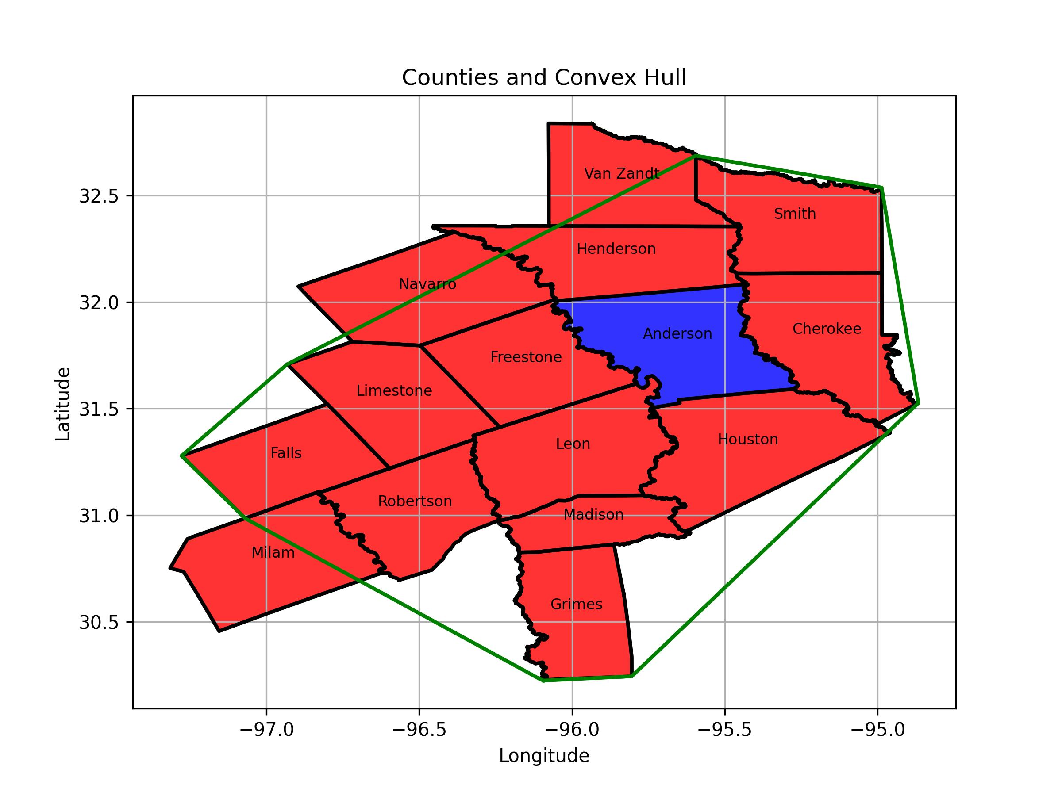
1 | 1 | 138 | 8.3999996185 | 151701 | 2 | 34.5 | 84.516357422 | Total Generation "Capacity" (MW) | 8240.8682342
2 | 1 | 138 | 0 | 152031 | 2 | 34.5 | 84.501091003 | Total Load (MW) | 3569.991985
4 | 1 | 138 | 22.075000763 | 152131 | 2 | 34.5 | 195.49514771 | Total Number of Transmission Buses | 439
5 | 1 | 138 | 0 | 152132 | 2 | 34.5 | 129.26428223 | Total Number of Generation Buses | 46
8 | 1 | 138 | 13.100001335 | 152133 | 2 | 34.5 | 66.244270325 | Study County Name | Anderson
9 | 1 | 138 | 3.5969998837 | 152139 | 2 | 34.5 | 0 | POI | 6937
13 | 1 | 138 | 5.115000248 | 150101 | 2 | 25 | 790.42114258
17 | 1 | 138 | 0 | 150102 | 2 | 25 | 802.44403076 | List of Study Area Counties
21 | 1 | 138 | 2.4000000954 | 152431 | 2 | 34.5 | 160.804245 | anderson
26 | 1 | 138 | 0 | 152481 | 2 | 34.5 | 160.804245 | houston
27 | 1 | 138 | 4 | 703641 | 2 | 69 | 4.2769999504 | van zandt
31 | 1 | 69 | 11.300000191 | 120071 | 2 | 18 | 150.04229736 | falls
32 | 1 | 138 | 0 | 120072 | 2 | 18 | 150.04229736 | madison
33 | 1 | 138 | 0 | 120091 | 2 | 18 | 157.23452759 | henderson
34 | 1 | 138 | 6.5 | 120092 | 2 | 18 | 157.31245422 | robertson
35 | 1 | 138 | 0 | 120093 | 2 | 18 | 158.32926941 | leon
36 | 1 | 69 | 0 | 120094 | 2 | 22 | 396.09664917 | limestone
37 | 1 | 138 | 1.5 | 120111 | 2 | 18 | 143.96835327 | navarro
38 | 1 | 69 | 5.3020000458 | 120112 | 2 | 18 | 143.96835327 | grimes
39 | 1 | 138 | 0 | 120113 | 2 | 18 | 164.94177246 | freestone
41 | 1 | 138 | 4.6370000839 | 120114 | 2 | 18 | 140.01763916 | cherokee
43 | 1 | 69 | 0 | 120115 | 2 | 18 | 140.01763916 | milam
45 | 1 | 138 | 8.6820001602 | 120116 | 2 | 18 | 162.21662903 | smith
46 | 1 | 138 | 7.1899995804 | 120131 | 2 | 24 | 826.52954102
47 | 1 | 138 | 0 | 120132 | 2 | 24 | 826.39801025
48 | 1 | 69 | 10.029000282 | 120141 | 2 | 13.800000191 | 169.070755
53 | 1 | 69 | 3.7850000858 | 120142 | 2 | 19 | 487.29229736
49208 | 1 | 345 | 0 | 120331 | 2 | 34.5 | 53.983020782
57 | 1 | 69 | 13.012999535 | 120381 | 2 | 34.5 | 0
69 | 1 | 69 | 6.8709998131 | 153191 | 2 | 34.5 | 75.073951721
81 | 1 | 69 | 3.1970002651 | 153192 | 2 | 34.5 | 43.174343109
85 | 1 | 69 | 0 | 120491 | 2 | 34.5 | 110.27071381
86 | 1 | 138 | 0 | 120492 | 2 | 34.5 | 0
89 | 1 | 69 | 1.2480000257 | 151311 | 2 | 34.5 | 54.637565613
91 | 1 | 138 | 0 | 151312 | 2 | 34.5 | 54.031265259
92 | 1 | 69 | 4.2930002213 | 120741 | 2 | 34.5 | 0
93 | 1 | 69 | 3.4440000057 | 152731 | 2 | 34.5 | 69.022468567
99 | 1 | 69 | 5.1649999619 | 152732 | 2 | 34.5 | 115.82691956
103 | 1 | 69 | 5.5560002327 | 120541 | 2 | 34.5 | 24.780210495
104 | 1 | 138 | 12.961000443 | 120542 | 2 | 34.5 | 97.487068176
107 | 1 | 69 | 4.7529997826 | 152381 | 2 | 34.5 | 156.88696289
151702 | 1 | 34.5 | 0 | 152382 | 2 | 34.5 | 49.654998779
151703 | 1 | 138 | 0 | 120151 | 2 | 22 | 228.05865479
185 | 1 | 69 | 4.513999939 | 120691 | 2 | 34.5 | 94.693084717
195 | 1 | 69 | 5.0130000114 | 120191 | 2 | 34.5 | 49.456996918
196 | 1 | 138 | 5.5669999123 | 151551 | 2 | 34.5 | 111.57971191
197 | 1 | 138 | 0.3409999907
209 | 1 | 138 | 8.0819997787
212 | 1 | 138 | 9.4099998474
29150 | 1 | 13.199999809 | 0
152032 | 1 | 34.5 | 0
152033 | 1 | 138 | 0
16934 | 1 | 69 | 0
6701 | 1 | 138 | 11
6702 | 1 | 138 | 4.0949997902
6703 | 1 | 138 | 10.152999878
6707 | 1 | 138 | 9.4969997406
6709 | 1 | 138 | 13.670000076
6710 | 1 | 138 | 13.548000336
6711 | 1 | 138 | 1.8400000334
6715 | 1 | 138 | 12
6716 | 1 | 138 | 0
152134 | 1 | 34.5 | 0
152135 | 1 | 34.5 | 0
152136 | 1 | 34.5 | 0
152137 | 1 | 34.5 | 0
152138 | 1 | 345 | 0
6735 | 1 | 138 | 0
6736 | 1 | 138 | 11.927000046
6738 | 1 | 138 | 1.5019999743
6739 | 1 | 138 | 4.993999958
6741 | 1 | 138 | 10.68200016
6742 | 1 | 69 | 11.157999992
6743 | 1 | 138 | 5.873000145
6855 | 1 | 138 | 9.75
6924 | 1 | 69 | 1.2719999552
6932 | 1 | 69 | 4.6909999847
6933 | 1 | 69 | 0.72299998999
6935 | 1 | 138 | 3.7999999523
6937 | 1 | 138 | 3.7999999523
6940 | 1 | 138 | 5.0069999695
6942 | 1 | 138 | 0.58200001717
152432 | 1 | 34.5 | 0
152433 | 1 | 345 | 0
46020 | 1 | 345 | 0
964 | 1 | 138 | 0
965 | 1 | 12.399999619 | 0
966 | 1 | 22 | 0
967 | 1 | 345 | 0
46025 | 1 | 138 | 0
969 | 1 | 12.399999619 | 0
13253 | 1 | 138 | 0
39950 | 1 | 345 | 0
3102 | 1 | 345 | 0
3103 | 1 | 345 | 0
3104 | 1 | 138 | 0
3105 | 1 | 345 | 0
3106 | 1 | 138 | 0
3107 | 1 | 138 | 48.525001526
3109 | 1 | 345 | 0
3110 | 1 | 138 | 0.91399997473
3111 | 1 | 138 | 0
3112 | 1 | 138 | 0
3114 | 1 | 138 | 0
3115 | 1 | 13.199999809 | 0
3121 | 1 | 138 | 0
3122 | 1 | 138 | 0
3132 | 1 | 138 | 10.227999687
3133 | 1 | 345 | 0
3134 | 1 | 345 | 0
3137 | 1 | 138 | 0
3139 | 1 | 138 | 36.979995728
3141 | 1 | 138 | 14.670999527
3143 | 1 | 138 | 0
3145 | 1 | 69 | 0
3146 | 1 | 69 | 13.062999725
3147 | 1 | 138 | 0
3148 | 1 | 69 | 0
3149 | 1 | 69 | 4.6659998894
3150 | 1 | 69 | 0
3151 | 1 | 69 | 9.9279994965
3152 | 1 | 69 | 1.0369999409
3153 | 1 | 69 | 4.2199997902
3156 | 1 | 138 | 0
3160 | 1 | 138 | 4.6119999886
3161 | 1 | 69 | 0
3162 | 1 | 69 | 18.187000275
3186 | 1 | 345 | 0
3196 | 1 | 138 | 24.051000595
3197 | 1 | 138 | 0
3199 | 1 | 345 | 0
3201 | 1 | 138 | 32.150997162
3202 | 1 | 138 | 13.815000534
3203 | 1 | 138 | 0
3204 | 1 | 138 | 9.1330003738
3205 | 1 | 138 | 17.559000015
3206 | 1 | 138 | 19.413999557
3207 | 1 | 138 | 19.8560009
3208 | 1 | 138 | 0
3209 | 1 | 138 | 13.930999756
3210 | 1 | 138 | 25.131999969
3211 | 1 | 138 | 62.109992981
3212 | 1 | 138 | 63.974998474
3213 | 1 | 138 | 59.464000702
3214 | 1 | 138 | 0
3218 | 1 | 138 | 42.715000153
3219 | 1 | 138 | 67.438995361
3220 | 1 | 138 | 0
3221 | 1 | 138 | 0
3222 | 1 | 138 | 33.041000366
3224 | 1 | 138 | 0
3225 | 1 | 138 | 13.87899971
3227 | 1 | 138 | 21.035999298
3228 | 1 | 138 | 0
3229 | 1 | 138 | 0
3237 | 1 | 138 | 4.646999836
3241 | 1 | 69 | 0
3242 | 1 | 69 | 0
3243 | 1 | 69 | 6.9020004272
3244 | 1 | 69 | 6.1700000763
3245 | 1 | 69 | 23.383001328
3249 | 1 | 69 | 0
3250 | 1 | 69 | 14.188999176
3251 | 1 | 138 | 39.774002075
3252 | 1 | 69 | 0
3253 | 1 | 138 | 0
3254 | 1 | 69 | 0
3255 | 1 | 69 | 8.8229999542
3256 | 1 | 69 | 3.0980000496
13501 | 1 | 138 | 0
3270 | 1 | 69 | 0.97399997711
3271 | 1 | 138 | 34.948997498
3272 | 1 | 138 | 37.785999298
3273 | 1 | 69 | 0
3275 | 1 | 138 | 0
3277 | 1 | 138 | 0.50099998713
3278 | 1 | 138 | 0
3279 | 1 | 138 | 0
3280 | 1 | 138 | 9.4940004349
3281 | 1 | 138 | 11.923999786
3282 | 1 | 138 | 6.0570001602
3283 | 1 | 138 | 0
3284 | 1 | 138 | 0
3285 | 1 | 69 | 5.7730002403
13524 | 1 | 69 | 11.529999733
3288 | 1 | 69 | 0
3290 | 1 | 69 | 0
3291 | 1 | 69 | 0
3293 | 1 | 69 | 1.6050000191
3296 | 1 | 138 | 4.1500000954
3298 | 1 | 138 | 0
3325 | 1 | 138 | 0
3338 | 1 | 13.800000191 | 0
3357 | 1 | 138 | 0
3358 | 1 | 138 | 11.486001015
120095 | 1 | 345 | 0
13613 | 1 | 69 | 0
3380 | 1 | 345 | 0
3381 | 1 | 345 | 0
3384 | 1 | 345 | 0
3385 | 1 | 138 | 0
3390 | 1 | 345 | 0
3391 | 1 | 345 | 0
3392 | 1 | 13.800000191 | 0
3393 | 1 | 69 | 0
3394 | 1 | 138 | 13.899999619
120133 | 1 | 345 | 0
120134 | 1 | 345 | 0
13639 | 1 | 69 | 0
3400 | 1 | 345 | 0
120135 | 1 | 345 | 0
120136 | 1 | 138 | 0
3395 | 1 | 138 | 0
3396 | 1 | 345 | 69.25
3398 | 1 | 13.800000191 | 0
13681 | 1 | 138 | 7.75
3487 | 1 | 69 | 0
3488 | 1 | 69 | 0
3491 | 1 | 69 | 8.9460000992
3492 | 1 | 69 | 0
3495 | 1 | 138 | 17.0189991
3499 | 1 | 138 | 0
3501 | 1 | 138 | 0
3502 | 1 | 138 | 17.49600029
3503 | 1 | 138 | 20.503000259
3507 | 1 | 138 | 0
3509 | 1 | 138 | 0
3510 | 1 | 138 | 0
3548 | 1 | 69 | 14.334000587
3582 | 1 | 138 | 7.702000618
3588 | 1 | 69 | 0
120332 | 1 | 138 | 0
3597 | 1 | 138 | 0
3599 | 1 | 138 | 0
3600 | 1 | 138 | 4.1970000267
3603 | 1 | 69 | 0
3604 | 1 | 69 | 11.085000038
3605 | 1 | 69 | 2.9079999924
3606 | 1 | 69 | 0
3613 | 1 | 69 | 11.205999374
3614 | 1 | 69 | 0
3625 | 1 | 138 | 19.556999207
3631 | 1 | 138 | 14.307999611
3632 | 1 | 138 | 17.138000488
3634 | 1 | 138 | 15.963000298
3637 | 1 | 69 | 1.3059999943
3638 | 1 | 69 | 0
3641 | 1 | 69 | 6.3420000076
3642 | 1 | 69 | 0
120382 | 1 | 138 | 0
3671 | 1 | 69 | 0
44645 | 1 | 345 | 0
153193 | 1 | 34.5 | 0
153194 | 1 | 34.5 | 0
153195 | 1 | 138 | 0
3694 | 1 | 138 | 0
3695 | 1 | 13.199999809 | 0
3702 | 1 | 138 | 0
40600 | 1 | 345 | 0
151315 | 1 | 34.5 | 0
151316 | 1 | 34.5 | 0
151317 | 1 | 345 | 0
49060 | 1 | 34.5 | 0
120742 | 1 | 345 | 0
49068 | 1 | 34.5 | 0
151552 | 1 | 34.5 | 0
151553 | 1 | 345 | 0
15 | 1 | 138 | 0
3260 | 1 | 138 | 0
3261 | 1 | 138 | 0.83299994469
25 | 1 | 138 | 4.478000164
13354 | 1 | 138 | 0
3123 | 1 | 345 | 0
3124 | 1 | 345 | 0
3126 | 1 | 69 | 4.5989999771
3127 | 1 | 138 | 0
3130 | 1 | 345 | 0
3131 | 1 | 138 | 0
61 | 1 | 69 | 6.6249995232
64 | 1 | 138 | 3.5380001068
65 | 1 | 69 | 3.3559999466
67 | 1 | 69 | 0
73 | 1 | 69 | 0
6731 | 1 | 138 | 10.848999977
6732 | 1 | 138 | 5.9409999847
6733 | 1 | 138 | 11.633999825
6734 | 1 | 138 | 10.31000042
24140 | 1 | 13.800000191 | 0
75 | 1 | 69 | 0.36800000072
77 | 1 | 69 | 3.0979998112
78 | 1 | 69 | 10
3659 | 1 | 138 | 9.3559999466
3661 | 1 | 138 | 77.431999207
3159 | 1 | 345 | 0
6745 | 1 | 138 | 5
3675 | 1 | 138 | 4.501999855
3165 | 1 | 138 | 0
3678 | 1 | 138 | 21.148000717
3167 | 1 | 138 | 0
3168 | 1 | 138 | 0
3683 | 1 | 138 | 0
3684 | 1 | 69 | 0.89699995518
3173 | 1 | 138 | 0
3174 | 1 | 138 | 0
3175 | 1 | 138 | 24.837999344
3176 | 1 | 138 | 38.13999939
3177 | 1 | 138 | 11.289000511
3685 | 1 | 69 | 23.659000397
3179 | 1 | 138 | 11.456999779
3180 | 1 | 138 | 0
3181 | 1 | 138 | 7.9429998398
3183 | 1 | 138 | 16.131999969
110 | 1 | 69 | 4.781999588
3689 | 1 | 69 | 0.14800000191
170093 | 1 | 138 | 0
3188 | 1 | 138 | 17.256999969
116 | 1 | 138 | 3.7890002728
3701 | 1 | 138 | 0
120 | 1 | 138 | 7
13429 | 1 | 345 | 0
13430 | 1 | 138 | 0
127 | 1 | 138 | 0.33000001311
3200 | 1 | 69 | 0
13439 | 1 | 13.800000191 | 0
13440 | 1 | 13.800000191 | 0
13441 | 1 | 138 | 0
13442 | 1 | 138 | 0
140 | 1 | 138 | 2.5780000687
6802 | 1 | 138 | 0
6805 | 1 | 138 | 1.050999999
152734 | 1 | 138 | 0
6815 | 1 | 138 | 7.5000004768
3236 | 1 | 138 | 9.5989999771
3238 | 1 | 138 | 25.387001038
3239 | 1 | 138 | 0
3240 | 1 | 138 | 1.121999979
6828 | 1 | 138 | 0
6829 | 1 | 138 | 21.313999176
3248 | 1 | 138 | 40.488998413
6833 | 1 | 138 | 0
6836 | 1 | 138 | 11.607999802
6837 | 1 | 138 | 4.1770000458
6841 | 1 | 138 | 22.336000443
6842 | 1 | 138 | 6.5420002937
3259 | 1 | 138 | 7.2329998016
6843 | 1 | 138 | 9.8839998245
186 | 1 | 69 | 0
3262 | 1 | 138 | 6.1399998665
3263 | 1 | 138 | 3.473000288
3264 | 1 | 138 | 0.030000001192
3265 | 1 | 138 | 0
6847 | 1 | 138 | 20.656999588
6849 | 1 | 138 | 14.569001198
190 | 1 | 69 | 1.5230000019
3269 | 1 | 69 | 2.9449999332
193 | 1 | 69 | 4.0040001869
194 | 1 | 69 | 5.7309999466
198 | 1 | 69 | 8.6759996414
200 | 1 | 138 | 20.062999725
3276 | 1 | 138 | 13.913000107
208 | 1 | 138 | 6.9109997749
6867 | 1 | 138 | 0
211 | 1 | 138 | 23.86000061
213 | 1 | 138 | 2.5699999332
3286 | 1 | 69 | 7.4929995537
3287 | 1 | 138 | 0
3289 | 1 | 69 | 0
3801 | 1 | 138 | 0
120543 | 1 | 34.5 | 0
120544 | 1 | 230 | 0
120545 | 1 | 345 | 0
170094 | 1 | 138 | 0
170095 | 1 | 138 | 0
6899 | 1 | 138 | 0
3840 | 1 | 138 | 0
6917 | 1 | 138 | 2.1630001068
6918 | 1 | 138 | 0
6919 | 1 | 138 | 17.670000076
6922 | 1 | 138 | 3.3020000458
6926 | 1 | 138 | 11.829999924
6928 | 1 | 138 | 4.3420000076
3345 | 1 | 138 | 0
6930 | 1 | 69 | 8.0559997559
3351 | 1 | 138 | 0
3354 | 1 | 138 | 29.562000275
3355 | 1 | 138 | 0
3356 | 1 | 138 | 1.3559999466
6938 | 1 | 138 | 1.8880000114
3359 | 1 | 138 | 0
6951 | 1 | 138 | 0
6963 | 1 | 138 | 0
6964 | 1 | 138 | 0
3386 | 1 | 345 | 0
3387 | 1 | 138 | 0
152383 | 1 | 34.5 | 0
152384 | 1 | 34.5 | 0
152385 | 1 | 345 | 0
13125 | 1 | 345 | 0
3430 | 1 | 138 | 55.049003601
3431 | 1 | 138 | 261.28399658
120692 | 1 | 138 | 0
3445 | 1 | 138 | 725
3454 | 1 | 138 | 0
120192 | 1 | 34.5 | 0
120193 | 1 | 138 | 0
3455 | 1 | 138 | 38.64099884
3456 | 1 | 138 | 27.210000992
3457 | 1 | 138 | 0
3458 | 1 | 138 | 4.1139998436
3459 | 1 | 138 | 8.3219995499
3460 | 1 | 138 | 0
3461 | 1 | 138 | 29.667001724
3462 | 1 | 138 | 0
3463 | 1 | 138 | 8.8220005035
3464 | 1 | 69 | 3.5150003433
3466 | 1 | 138 | 3.5390000343
3467 | 1 | 138 | 0.95300006866
3468 | 1 | 69 | 0
3469 | 1 | 138 | 18.009000778
3470 | 1 | 69 | 2.5639998913
3471 | 1 | 69 | 1.5080000162
3472 | 1 | 138 | 5.4010000229
3476 | 1 | 12 | 0
3477 | 1 | 138 | 0
3478 | 1 | 138 | 0
3479 | 1 | 69 | 0
3480 | 1 | 138 | 5.8470001221
3483 | 1 | 138 | 0
3486 | 1 | 69 | 7.2909994125
3490 | 1 | 138 | 0
3497 | 1 | 69 | 3.1830000877
13235 | 1 | 138 | 11.25
29108 | 1 | 12 | 0
3511 | 1 | 69 | 0.71399998665
3531 | 1 | 69 | 1.3730000257
24039 | 1 | 22 | 0
13431 | 1 | 138 | 0
29176 | 1 | 13.800000191 | 0
68091 | 1 | 345 | 0

